Pumped Hydro
Country | Albania | Austria | Bosnia | Belgium | Bulgaria | Switzerland | Czech Republic | Germany | Denmark | Denmark_east | Spain | France | Great Britain | Greece | Croatia | Hungary | Italy | Luxembourg | Montenegro | Macedonia | Netherlands | Norway | Poland | Portugal | Romania | Serbia | Sweden | Slovakia | Slovenia | Ukraine | Ukraine_west | Algeria | Tunisia | Morocco
References | AL | AT | BA | BE | BG | CH | CZ | DE | DK | DK_E | ES | FR | GB | GR | HR | HU | IT | LU | ME | MK | NL | NO | PL | PT | RO | RS | SE | SK | SV | UA | UA_W | DZ | TN | MA
eurelectric 2011 | N/A | 3365 | N/A | 1307 | 864 | 1817 | 1147 | 6777 |  |  | 5260 | 6985 | 2744 | 699 | 293 | 0 | 7544 |  | N/A | N/A |  | 1326 | 1406 | 1029 | 92 | N/A | 99 | 916 | 180
DOE 2016(?) | N/A | 4808 | 420 | 1307 | 1052 | 2687 | 1145 | 6228 | 0 |  | 6889 | 5812 | 2828 | 699 | 282 | N/A | 7071 | 1096 | N/A | N/A | N/A | 967 | 1745 | 1592 | 53 | 614 | N/A | 1017 | 185 | 905
ENTSOE | 0 | 3094 | 0 | 1308 | 1399 | 3940 | N/A | 8644 | N/E |  | 4825 | 4965 | N/A | 693 | N/A | N/E | N/A | N/A | N/A | N/A | 0 | N/A | 1770 | 1245 | N/A | 614 | N/A | N/A | 180 | N/E
year ENTSOE |  | 2015 |  | 2014 | 2015 | 2015 |  | 2016 |  |  | 2015 | 2015 |  | 2015 |  |  |  |  |  |  |  |  | 2015 | 2015 |  | 2015 |  |  | 2015

Turbine/Pump read from graph below |  | 0.7 |  | 0.9 | 0.72 | 0.63 | 0.95 | 0.96 |  |  | 0.85 | 0.8 | 0.95 | 1 |  |  |  | 0.8 |  |  |  |  | 0.95 | 0.85 |  |  |  | 0.1

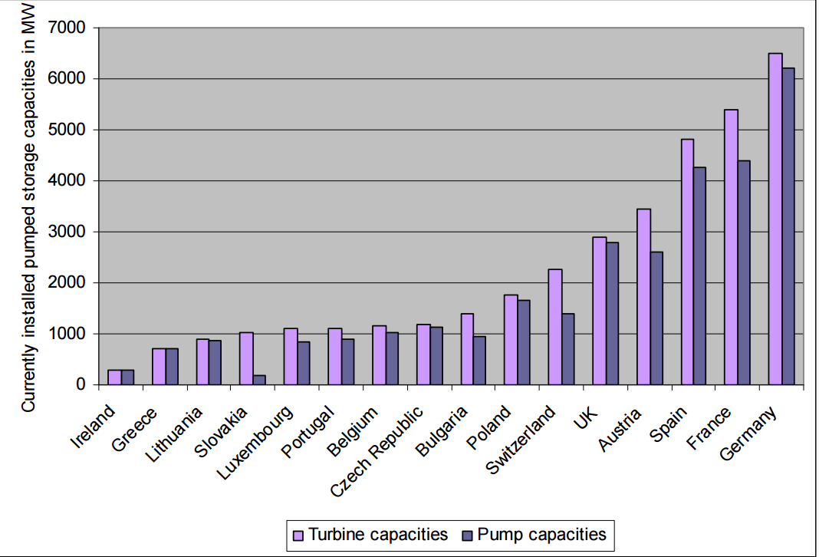
Added to powerGAMA, based on location from DOE extraction | 0 | 3516 | 420 | 1177.2 | 1052 | 2632 | 1087.75 | 6216 | 0 | 0 | 6399 | 5812 | 1177 | 699 | 276 | 0 | 7029 | 876.8 | 0 | 0 | 0 | 967 | 1744 | 1353 | 92 | 614 | 99 | 102 | 185 | 0 | 0 | 0 | 0 | 465
 |  |  |  |  |  |  |  |  |  |  |  |  |  |  |  |  |  |  |  |  |  |  |  |  |  |  |  |  |  |  |  |  |  | http://globalenergyobservatory.org/form.php?pid=41620
Explanation
PowerGAMA takes pump capacity as input, only pump capacity for 2014 should be added. (Not turbine capacity)
Most Pumped Hydro Storages (PHS) are listed in sources with rated turbine capacity, not pump capacity
Eurelectric is from 2011
ENTSOE does rarely have information from 2014, usually 2015 or 2016
DOE is frequently updated and contains entries from after 2014
One would expect that PHS capacity is highest for the newest source, this is not always the case, meaning data is lacking in some sources
This is especially true for ENTSOE, with data from 2015 having lower capacity than data from 2011 (eurelectric)
In the chart to the right, it is evident that rated capacity (turbine) and pump capacity is not equal
DOE 2016 map used for location of pumped hydro, and is used as reference
If data is available, pumped capacity scaled based on the chart to the left

Pump efficiency set to 90% | http://brage.bibsys.no/xmlui/bitstream/handle/11250/2350526/13093_FULLTEXT.pdf?sequence=1&isAllowed=y
Deadban set to 10% of reference price

 |  |  |  |  |  |  |  |  |  |  | 2011 graph

